Sheet2
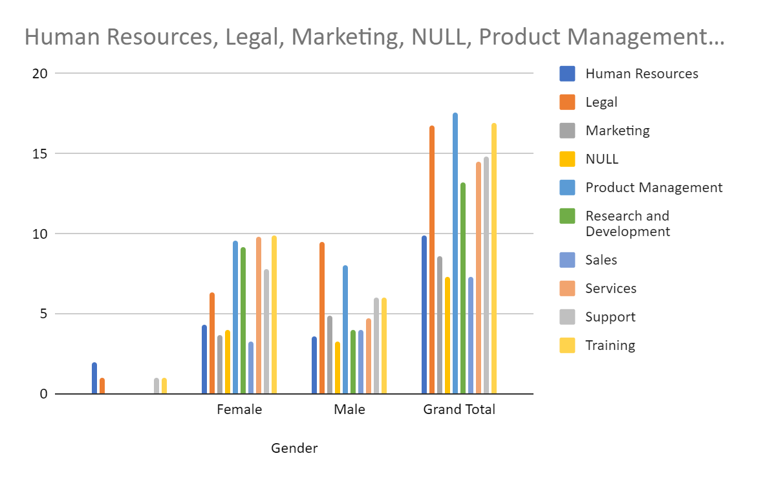

Count of Gender | Column Labels
Row Labels | Female | Male | (blank) | Grand Total
Accounting | 8 | 11 |  | 19
Business Development | 9 | 12 |  | 21
Engineering | 3 | 10 |  | 13
Human Resources | 5 | 5 |  | 10
Legal | 7 | 10 |  | 17
Marketing | 4 | 6 |  | 10
NULL | 4 | 4 |  | 8
Product Management | 10 | 8 |  | 18
Research and Development | 11 | 4 |  | 15
Sales | 4 | 5 |  | 9
Services | 10 | 6 |  | 16
Support | 8 | 8 |  | 16
Training | 12 | 6 |  | 18
Grand Total | 95 | 95 |  | 190

